Piperacks
Piperacks
 | Length = | 379 | m

 | Spacing = | 6 | m (c/c)

Foundations |  |  |  |  |  |  |  |  | Structural Steelwork
 |  |  |  |  |  |  |  |  |  |  |  |  |  |  | 3
 | Foundation length = | 4.2 | m
 | Foundation width = | 1.75 | m
 | Foundation depth = | 0.4 | m |  |  |  |  |  |  | 1.2
 | Working Space = | 0.6 | m |  |  |  |  |  |  | 2
 | Excavation depth below foundations | 0.6 | m
 |  |  |  |  |  |  |  | 6
 | Number of stub-columns = | 2 | No
 | S/Column width = | 0.4 | m
 | S/Column length = | 0.4 | m |  |  |  |  |  |  | 4
 | S/Column height = | 0.6 | m
 | Number of HD bolts per s/column = | 4 | No
 | Reinforcement (kg/m3) = | 110 |  | Number of Foundations = |  | 65 | No

 |  |  |  | Total Quantities
 |  |  |  |  |  |  |  |  |  |  |  |  | 6
 | Earthworks
 | Excavations = | 11.28 | m3 | 733 | m3
 | B/Fill (Soilcrete) = | 8.34 | m3 | 542 | m3
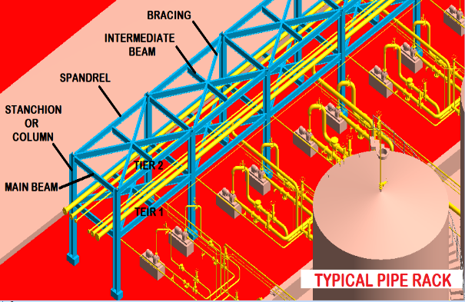
 | Concrete Work |  |  |  |  |  |  |  |  | Columns
 | Formwork |  |  |  |  |  |  |  |  | Total Length | 780 | m
 | - Bases (Vertical ) Rough) = | 4.76 | m2 | 309 | m2 |  |  |  |  | Type | 203 x 203 x 46 | H-Section
 | - Stub-Columns (Vertical ) Smooth) = | 1.92 | m2 | 125 | m2 |  |  |  |  |  | 46.1 | kg/m
 | Pockets | 8.00 | No | 520 | No |  |  |  |  | T/Weight | 36,857 | kg
 | HD Bolts (M30) = | 8.00 | No | 520 | No |  |  |  |  | T/Weight | 37 | t
 | Chamfers | 13.50 | m | 878 | m
 | Reinforcement | 0.34 | t | 22 | t |  |  |  |  | Beams
 | Concrete |  |  |  |  |  |  |  |  | Main Beams
 | Blinding = | 11.28 | m2 | 733 | m2 |  |  |  |  | Total Length | 2675 | m
 | Concrete 30 Mpa |  |  |  |  |  |  |  |  | Type | 254 x 146 x 31 | Universal Beams
 | - Bases = | 2.94 | m3 | 191 | m3 |  |  |  |  |  | 31 | kg/m
 | - Stub-Columns = | 0.19 | m3 | 12 | m3 |  |  |  |  | T/Weight | 84,998 | kg
 | Finishing (Steel Float) = | 7.35 | m2 | 478 | m2 |  |  |  |  | T/Weight | 85 | t
 | Epoxy
 | - HD Bolts | 0.04 | m3 | 2 | m3 |  |  |  |  | Intermediate Beams
 | - B/Plates | 0.02 | m3 | 2 | m3 |  |  |  |  | Total Length | 390 | m
 |  |  |  |  |  |  |  |  |  | Type | 254 x 146 x 31 | Universal Beams | 254 x 146 x 31 | Universal Beams
 |  |  |  |  |  |  |  |  |  |  | 31 | kg/m
 |  |  |  |  |  |  |  |  |  | T/Weight | 12,392 | kg
 |  |  |  |  |  |  |  |  |  | T/Weight | 12 | t

 |  |  |  |  |  |  |  |  |  | Bracing
 |  |  |  |  |  |  |  |  |  | Total Length | 1717 | m
 |  |  |  |  |  |  |  |  |  | Type | 80 x 80 x 8 | Angles
 |  |  |  |  |  |  |  |  |  |  | 10 | kg/m
 |  |  |  |  |  |  |  |  |  | Bays | 64 | No
 |  |  |  |  |  |  |  |  |  | Bracing (Length) | 6.71 | m
 |  |  |  |  |  |  |  |  |  | No of bracing /bay | 4 | No
 |  |  |  |  |  |  |  |  |  | T/Weight | 16,951 | kg
 |  |  |  |  |  |  |  |  |  | T/Weight | 17 | t

 |  |  |  |  |  |  |  |  |  | Total Weight | 151 | t
 |  |  |  |  |  |  |  |  |  | Piperack | 0.40 | t/m

 |  |  |  |  |  |  |  |  |  | Kicker Plates | 758 | m

 |  |  |  |  |  |  |  |  |  | Handrails | 758 | m

 |  |  |  |  |  |  |  |  |  | Mentis Grating | 455 | m2

